Aluminium Door

 |  |  |  |  |  |  | Operator Input |  | Height | Area | Width | Control Panel |  |  |  | Pass - 123456789
 |  |  |  |  |  |  | System Output |  | 81 | 16.88 | 30 |  | 1.2 MM | 1.6 MM | 1.2 MM Hindalco
 |  |  |  |  |  |  | Custom Price |  |  |  |  | Door | 130 | 180 | 150
 |  |  |  | Bathroom Aluminium Door With Chaukhat |  |  | Fixed | Fixed | Minimum Bill Size |  |  | Chaukhat | 75 | 95 | 85
 |  |  |  |  |  |  |  |  | Area |  | 15 | Accessories | 160 | 160 | 160
 |  |  |  |  |  |  |  |  | Chaukhat |  | 14.5 | Décor Film | 30 | 30 | 30
 |  |  |  |  |  |  |  |  |  |  |  | Brown Coated | 60 | 60 | 60

Size - | 81 '' X 30 ''
Area - | 16.88 Sqft
Chaukhat - | 16 Rft |  |  |  |  |  |  |  | Please Fill In The Sizes -

Thickness - | 1.2 MM |  | 1.6 MM |  | 1.2 MM Hindalco |  |  |  | Height | X | Width
 |  |  |  |  |  |  |  | Inch - | 81 |  | 30
Door | @130 | 2194 | @180 | 3038 | @150 | 2532 |  | Soot -
PRINT
Chaukhat | @75 | 1200 | @95 | 1520 | @85 | 1360 | TRUE
Accessories | 160 |  | 160 |  | 160 |  | TRUE
Total | 3554 |  | 4718 |  | 4052
GENERATE PDF
Add-ons
Décor Film | @30 | 506 | @30 | 506 | @30 | 506 | TRUE |  |  |  |  | PDF Name -
Brown Coated | @60 | 1013 | @60 | 1013 | @60 | 1013 | TRUE |  |  |  |  | Approved Name - | 81 '' X 30 '' Aluminium Door
30 ''
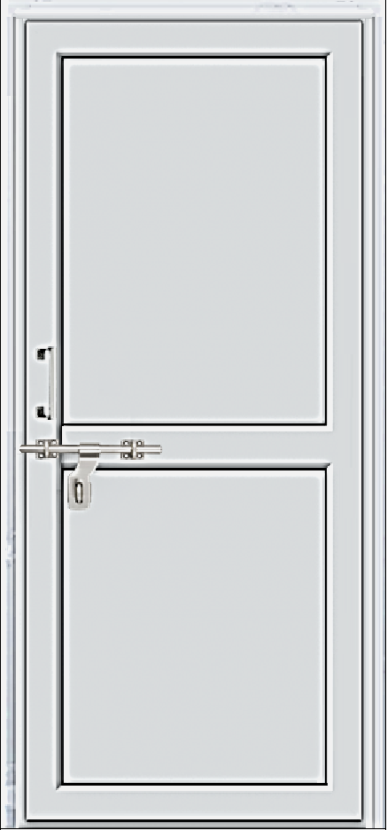 81 ''

2 Track Window

 |  |  |  |  |  |  | Operator Input |  | Height | Area | Width | Control Panel |  |  |  | Rates According To Area
 |  |  |  |  |  |  | System Output |  | 40 | 10 | 36 |  | 1.2 MM | 1.6 MM | 1.2 MM Hindalco | 6.0 | 240
 |  |  |  |  |  |  | Custom Price |  |  |  |  | 4 MM Clear & Texture Glass | 230 | 280 | 270 | 7.5 | 260
 |  |  |  | 2 Track Aluminium Sliding Window |  |  | Fixed | Fixed | 9.0 | Results | 230 |  |  |  |  | 9.0 | 230
 |  |  |  |  |  |  |  |  |  |  |  | 4 MM Reflective Glass | 250 | 300 | 290 | 12.0 | 210
 |  |  |  |  |  |  |  |  |  |  |  |  |  |  |  | 16.0 | 190
 |  |  |  |  |  |  |  |  |  |  |  | Full SS Net | 50 | 50 | 50 | 20.0 | 180
 |  |  |  |  |  |  |  |  |  |  |  | Brown Coated | 40 | 40 | 40 | 24.0 | 170
Size - | 40 '' X 36 '' |  |  |  |  |  |  |  |  |  |  |  |  |  |  | Pass - 123456789
Area - | 10 Sqft |  |  |  |  |  |  |  | Please Fill In The Sizes -

Thickness - | 1.2 MM |  | 1.6 MM |  | 1.2 MM Hindalco |  |  |  | Height | X | Width
 |  |  |  |  |  |  |  | Inch - | 40 |  | 36
4 MM Clear & Texture Glass | @230 | 2300 | @280 | 2800 | @270 | 2700 |  | Soot - | 0 |  | 0
PRINT
4 MM Reflective Glass | @250 | 2500 | @300 | 3000 | @290 | 2900

GENERATE PDF
Add-ons
Full SS Net | @50 | 500 | @50 | 500 | @50 | 500 | TRUE |  |  |  |  | PDF Name -
Brown Coated | @40 | 400 | @40 | 400 | @40 | 400 | TRUE |  |  |  |  | Approved Name - | 40 '' X 36 '' 2 Track Aluminium Window

36 ''
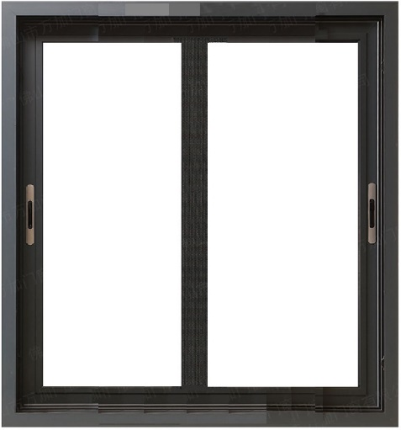 40 ''

3 Track Window
 |  |  |  |  |  |  | Operator Input |  | Height | Area | Width | Control Panel |  |  |  | Rates According To Area
 |  |  |  |  |  |  | System Output |  | 48 | 20 | 60 |  | 1.2 mm | 1.6 mm | 1.2 mm Hindalco | 6.0 | 360
 |  |  |  |  |  |  | Custom Price |  |  |  |  | 4 MM Clear & Texture Glass | 240 | 290 | 280 | 7.5 | 320
 |  |  |  | 3 Track Aluminium Sliding Window With Half SS Net |  |  | Fixed | Fixed | 20.0 | Results | 240 |  |  |  |  | 9.0 | 300
 |  |  |  |  |  |  |  |  |  |  |  | 4 MM Reflective Glass | 260 | 310 | 300 | 12.0 | 280
 |  |  |  |  |  |  |  |  |  |  |  |  |  |  |  | 16.0 | 250
 |  |  |  |  |  |  |  |  |  |  |  | SS Net | 50 | 50 | 50 | 20.0 | 240
 |  |  |  |  |  |  |  |  |  |  |  | Brown Coated | 40 | 40 | 40 | 24.0 | 230
Size - | 48 '' X 60 ''
Area - | 20 Sqft |  |  |  |  |  |  |  | Please Fill In The Sizes - |  |  |  |  |  |  | Pass - 123456789

Thickness - | 1.2 mm |  | 1.6 mm |  | 1.2 mm Hindalco |  |  |  | Height | X | Width
 |  |  |  |  |  |  |  | Inch - | 48 |  | 60
4 MM Clear & Texture Glass | @240 | 4800 | @290 | 5800 | @280 | 5600 |  | Soot - | 0 |  | 0
PRINT
4 MM Reflective Glass | @260 | 5200 | @310 | 6200 | @300 | 6000

GENERATE PDF
Add-ons
Brown Coated | @40 | 800 | @40 | 800 | @40 | 800 | TRUE |  |  |  |  | PDF Name -
 |  |  |  |  |  |  |  |  |  |  |  | Approved Name - | 48 '' X 60 '' 3 Track Aluminium Window

60 ''
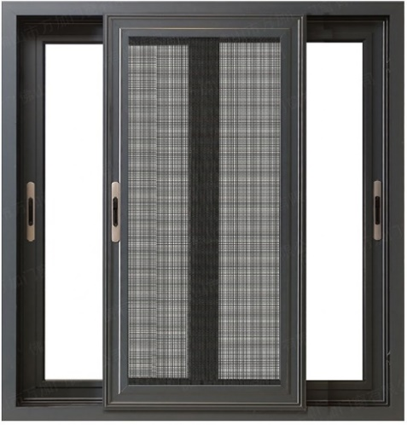 48 ''

